Przestawne 1
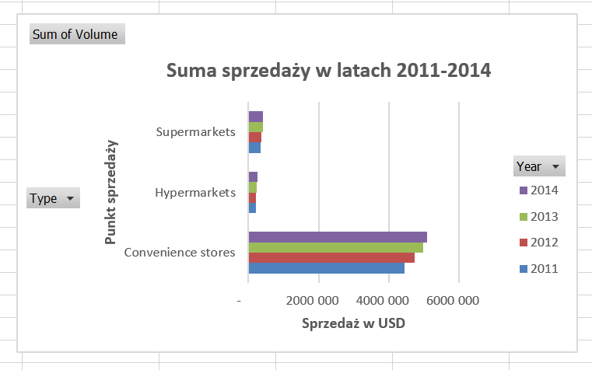
Sum of Volume | Column Labels
Row Labels | 2011 | 2012 | 2013 | 2014 | Grand Total
Convenience stores | 4,453,296 | 4,731,744 | 4,986,360 | 5,076,924 | 19,248,324
Hypermarkets | 209,112 | 209,472 | 239,652 | 267,228 | 925,464
Supermarkets | 345,756 | 378,384 | 404,652 | 420,708 | 1,549,500
Grand Total | 5,008,164 | 5,319,600 | 5,630,664 | 5,764,860 | 21,723,288

Suma sprzedaży w latach 2011-2014

Przestawne 2
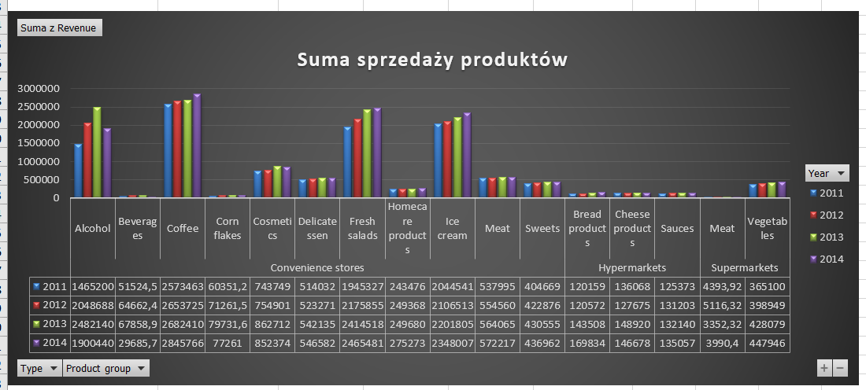
Dodaj kolumnę Revenue (przychód) i oblicz przychód dla każdego produktu. Weź pod uwagę pola: Volume oraz Price per unit

Wykonaj poniższą tabelę przestawną (pivot table)
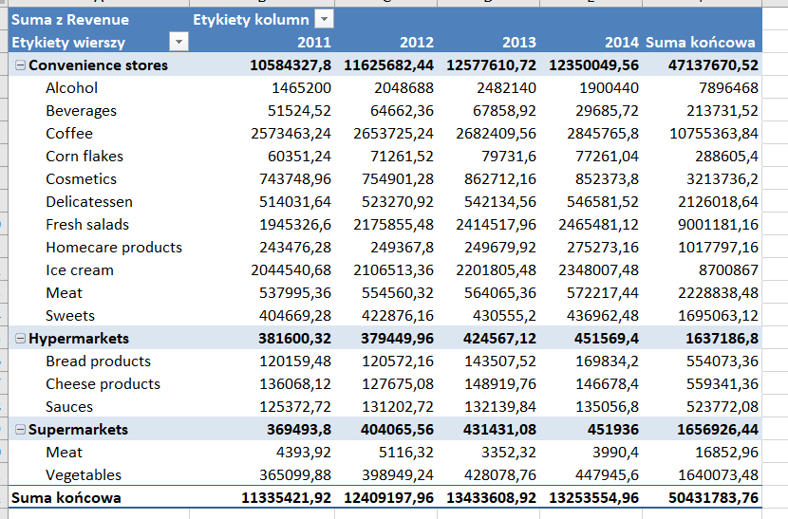

oraz wykres przestawny

Wyszukiwania
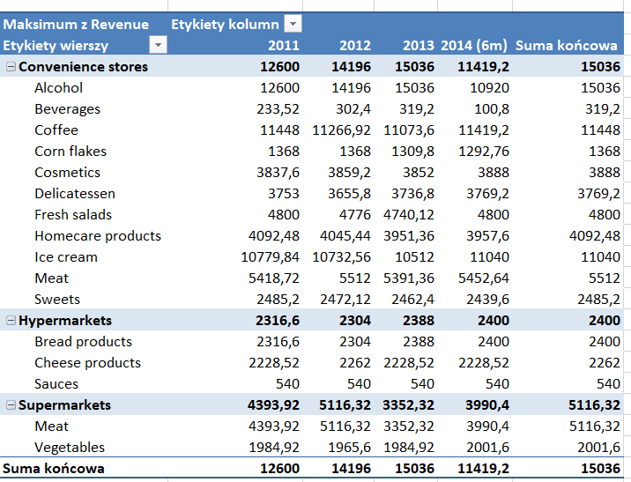
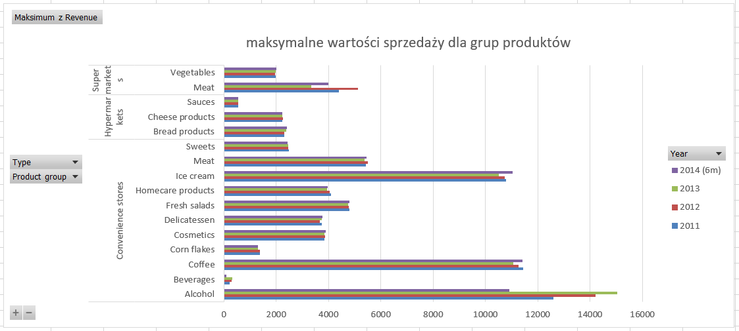
Znajdź produkty o największej sprzedaży (revenue) dla każdego punktu sprzedaży i każdej grupy produktów | Utwórz wykres

Wyszukiwania (2)
Znajdź produkty o największej sprzedaży (revenue) dla każdego punktu sprzedaży i każdej grupy produktów |  |  |  |  |  | Utwórz wykres

maksymalne wartości sprzedaży dla grup produktów
Maksimum z Revenue | Etykiety kolumn
Etykiety wierszy | 2011 | 2012 | 2013 | 2014 (6m) | Suma końcowa
Convenience stores | 12600 | 14196 | 15036 | 11419.2 | 15036
Alcohol | 12600 | 14196 | 15036 | 10920 | 15036
Beverages | 233.52 | 302.4 | 319.2 | 100.8 | 319.2
Coffee | 11448 | 11266.92 | 11073.6 | 11419.2 | 11448
Corn flakes | 1368 | 1368 | 1309.8 | 1292.76 | 1368
Cosmetics | 3837.6 | 3859.2 | 3852 | 3888 | 3888
Delicatessen | 3753 | 3655.8 | 3736.8 | 3769.2 | 3769.2
Fresh salads | 4800 | 4776 | 4740.12 | 4800 | 4800
Homecare products | 4092.48 | 4045.44 | 3951.36 | 3957.6 | 4092.48
Ice cream | 10779.84 | 10732.56 | 10512 | 11040 | 11040
Meat | 5418.72 | 5512 | 5391.36 | 5452.64 | 5512
Sweets | 2485.2 | 2472.12 | 2462.4 | 2439.6 | 2485.2
Hypermarkets | 2316.6 | 2304 | 2388 | 2400 | 2400
Bread products | 2316.6 | 2304 | 2388 | 2400 | 2400
Cheese products | 2228.52 | 2262 | 2228.52 | 2228.52 | 2262
Sauces | 540 | 540 | 540 | 540 | 540
Supermarkets | 4393.92 | 5116.32 | 3352.32 | 3990.4 | 5116.32
Meat | 4393.92 | 5116.32 | 3352.32 | 3990.4 | 5116.32
Vegetables | 1984.92 | 1965.6 | 1984.92 | 2001.6 | 2001.6
Suma końcowa | 12600 | 14196 | 15036 | 11419.2 | 15036

Arkusz2
Suma z Volume | Etykiety kolumn
Etykiety wierszy | 2011 | 2012 | 2013 | 2014 | Suma końcowa
Convenience stores | 4453296 | 4731744 | 4986360 | 5076924 | 19248324
Alcohol | 222612 | 315756 | 384504 | 294168 | 1217040
Beverages | 39624 | 49608 | 52200 | 22944 | 164376
Coffee | 2439048 | 2513844 | 2566308 | 2716272 | 10235472
Corn flakes | 33456 | 39552 | 44256 | 43188 | 160452
Cosmetics | 143052 | 144972 | 165888 | 163884 | 617796
Delicatessen | 85692 | 88404 | 90132 | 91188 | 355416
Fresh salads | 541932 | 603456 | 671616 | 682692 | 2499696
Homecare products | 88080 | 90144 | 91968 | 100608 | 370800
Ice cream | 562044 | 575136 | 602364 | 640212 | 2379756
Meat | 67440 | 68964 | 70500 | 71556 | 278460
Sweets | 230316 | 241908 | 246624 | 250212 | 969060
Hypermarkets | 209112 | 209472 | 239652 | 267228 | 925464
Bread products | 125700 | 126996 | 150924 | 178296 | 581916
Cheese products | 40656 | 37776 | 43692 | 42888 | 165012
Sauces | 42756 | 44700 | 45036 | 46044 | 178536
Supermarkets | 345756 | 378384 | 404652 | 420708 | 1549500
Meat | 552 | 612 | 432 | 516 | 2112
Vegetables | 345204 | 377772 | 404220 | 420192 | 1547388
Suma końcowa | 5008164 | 5319600 | 5630664 | 5764860 | 21723288

Arkusz7
Suma z Revenue | Etykiety kolumn
Etykiety wierszy | 2011 | 2012 | 2013 | 2014 | Suma końcowa
Convenience stores | 10584327.8 | 11625682.44 | 12577610.72 | 12350049.56 | 47137670.52
Alcohol | 1465200 | 2048688 | 2482140 | 1900440 | 7896468
Beverages | 51524.52 | 64662.36 | 67858.92 | 29685.72 | 213731.52
Coffee | 2573463.24 | 2653725.24 | 2682409.56 | 2845765.8 | 10755363.84
Corn flakes | 60351.24 | 71261.52 | 79731.6 | 77261.04 | 288605.4
Cosmetics | 743748.96 | 754901.28 | 862712.16 | 852373.8 | 3213736.2
Delicatessen | 514031.64 | 523270.92 | 542134.56 | 546581.52 | 2126018.64
Fresh salads | 1945326.6 | 2175855.48 | 2414517.96 | 2465481.12 | 9001181.16
Homecare products | 243476.28 | 249367.8 | 249679.92 | 275273.16 | 1017797.16
Ice cream | 2044540.68 | 2106513.36 | 2201805.48 | 2348007.48 | 8700867
Meat | 537995.36 | 554560.32 | 564065.36 | 572217.44 | 2228838.48
Sweets | 404669.28 | 422876.16 | 430555.2 | 436962.48 | 1695063.12
Hypermarkets | 381600.32 | 379449.96 | 424567.12 | 451569.4 | 1637186.8
Bread products | 120159.48 | 120572.16 | 143507.52 | 169834.2 | 554073.36
Cheese products | 136068.12 | 127675.08 | 148919.76 | 146678.4 | 559341.36
Sauces | 125372.72 | 131202.72 | 132139.84 | 135056.8 | 523772.08
Supermarkets | 369493.8 | 404065.56 | 431431.08 | 451936 | 1656926.44
Meat | 4393.92 | 5116.32 | 3352.32 | 3990.4 | 16852.96
Vegetables | 365099.88 | 398949.24 | 428078.76 | 447945.6 | 1640073.48
Suma końcowa | 11335421.92 | 12409197.96 | 13433608.92 | 13253554.96 | 50431783.76
Suma sprzedaży produktów

